Sheet1
 | Document No. |  | Issue No. | Issue Date |  |  |  | Review and Replace Date |  | Authorised By
 | GFF277MC |  | 2 | 04.08.2021 |  |  |  | 23.12.2021 |  | Magda Shah
 | Document Title |  | King Prawns with Marie Rose Dip 105g
Document amendments reason for change | Film Updated |  |  | Page 1 of 1 |  |  | Previous Issue Date |  | 04.05.2021 | Uncontrolled copy unless signed original

CPMRC-G1TDG |  | DBS - Deli By Shell |  |  | King Prawns with Marie Rose Dip 105g | CHILLED
STEP 1 |  |  |  |  |  | STEP 2
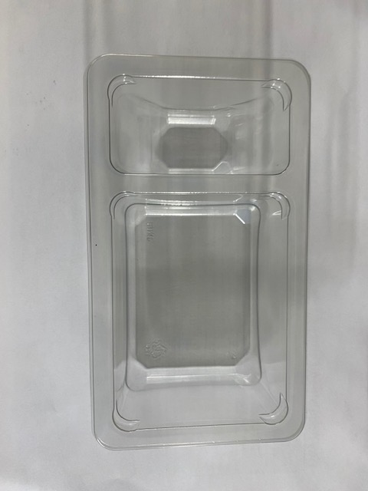
NON-GAS FLASHED PRODUCT

Tray: Duo-Pot Tray (PKLEE001-01) |  |  |  |  |  | Marie Rose Sauce (RMPIQ001-02) 40g
Film: K-PEEL 7G+ AF 25 (250mm x 1000)(PKKMP001-01)
STEP 3 |  |  |  |  |  | STEP 4

COOK DAY
+ 6 DAYS

Marinated Prawns (GFF344R) 65g |  |  |  |  |  | TOTAL WEIGHT: 105g

ALLERGY ALERT: Crustacean, Egg, Sulphites

